Sheet1
Bug id | title | steps | expected result | actual result | severity | priority | attachment
SwagLabs_Login#001 | login with valid username and valid copied password -environment : microsoft edge - windows 10 | 1- open "https://www.saucedemo.com/v1/" 2- Enter username "standard_user" in username field 3- copy password "secret_sauce" from the website 4- paste "secret_sauce" that copied in password field 5- click on "login" button | user should not be logged in and an error message " Epic sadface: Username and password do not match any user in this service " should be displayed | user logged in and directed to inventory page | meduim | low | 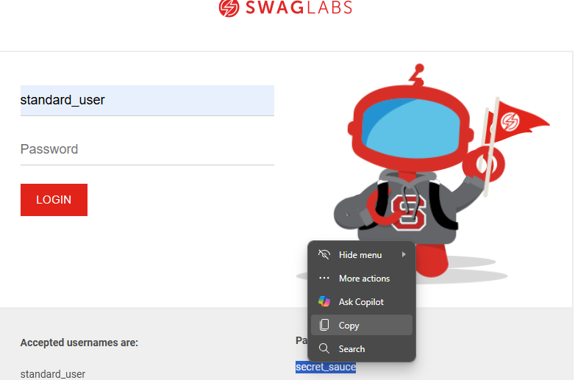 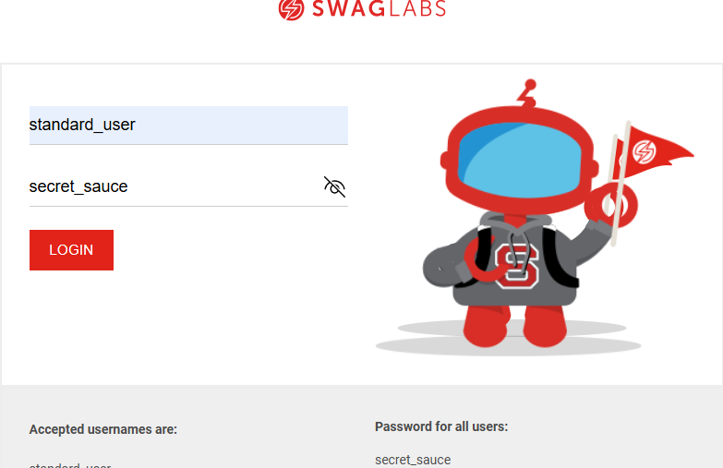
SwagLabs_Cart#001 | edit items quantity in the cart -environment : microsoft edge - windows 10 | 1- user logged in successfully 2- click on add product button attached to "Sauce Labs Backpack" prodcut on products page 3- click on "the cart" button on top right o products page 4- try to edit quantity of added product | items quantity should be editable | user cannot edit the quantity of the items in the cart | high | high | 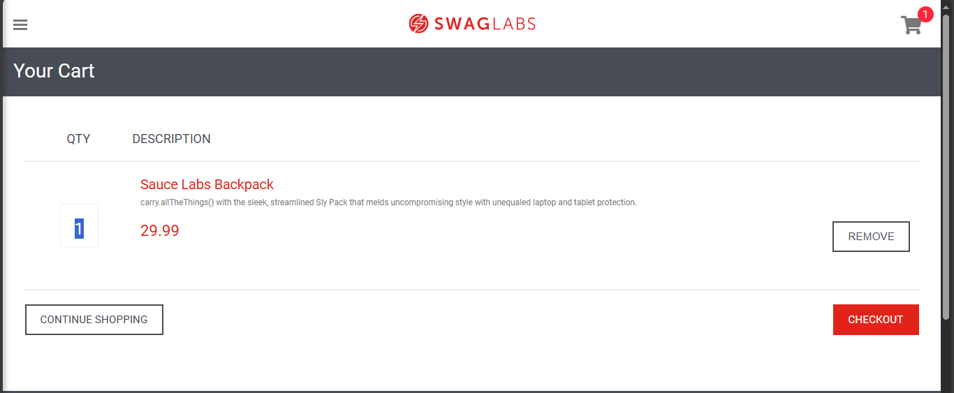
SwagLabs_Cart#002 | checkout cart with 1 product using valid first name and last name and invalid postal code -environment : microsoft edge - windows 10 | 1- user logged in successfully 2- click on add product button attached to "Sauce Labs Backpack" prodcut on products page 4- click on "the cart" button on top right of products page 5- click on checkout 6- Enter valid first name "ahmed" 7- Enter valid last name "omar" 8- Enter valid postal code : 0000 9- click on "contiune" button 10- click on "finish" button | an error should be displayed "wrong postal code" | user directed to checkout "overview page" with required information about his order and then checkout "compelete page" | high | high | 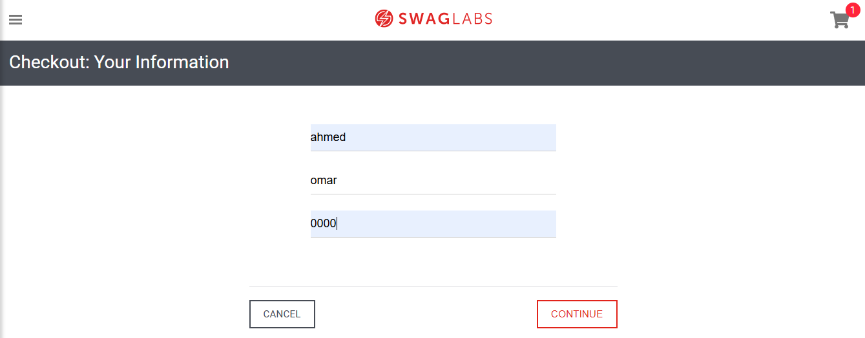
SwagLabs_cart#003 | checkout cart with 1 product using invalid "contain special characters" first name and last name and valid postal code -environment : microsoft edge - windows 10 | 1- user logged in successfully 2- click on add product button attached to "Sauce Labs Backpack" prodcut on products page 4- click on "the cart" button on top right of products page 5- click on checkout 6- Enter valid first name "ah#med" 7- Enter valid last name "om@ar" 8- Enter valid postal code : 12511 9- click on "contiune" button 10- click on "finish" button | an error should be displayed "first name or last name should not contain any special characters ( / . > < @ ! # $ %)" | user directed to checkout "overview page" with required information about his order and then checkout "compelete page" | high | high | 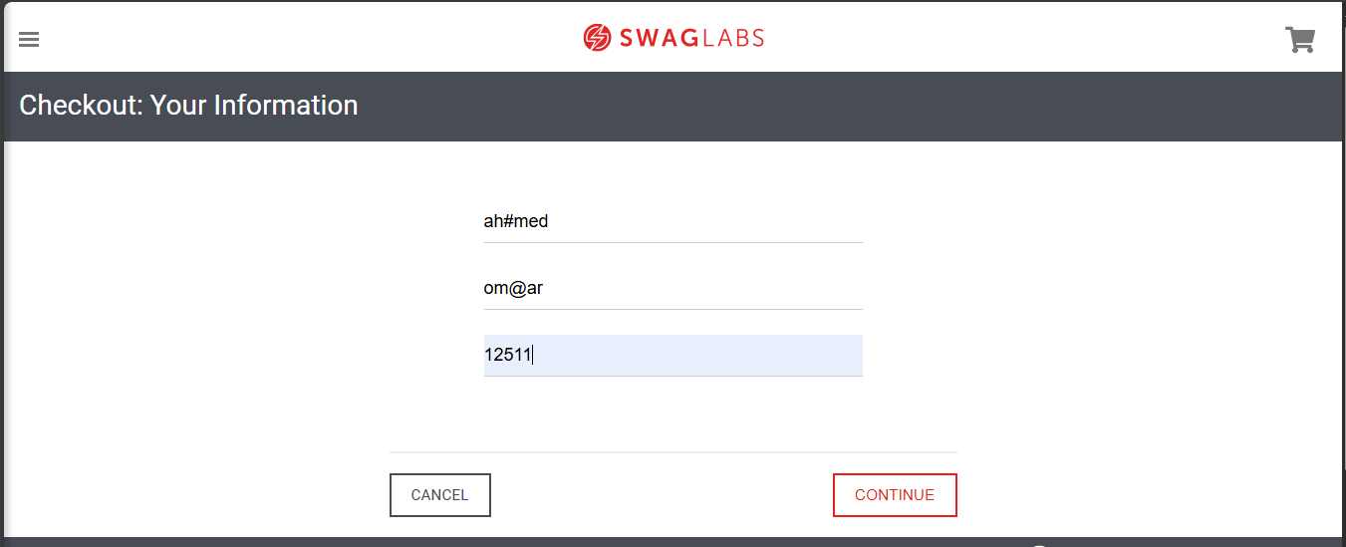 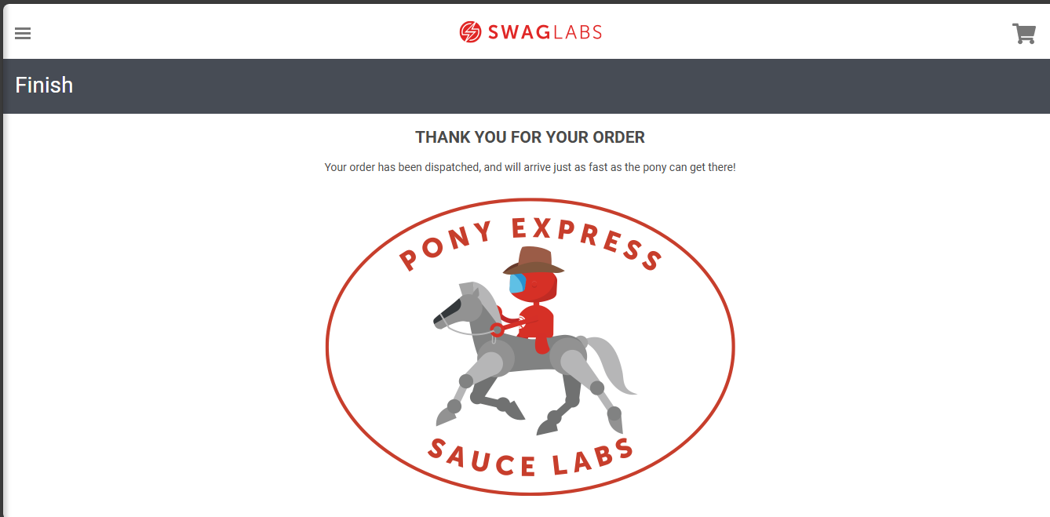
SwagLabs_cart#004 | checkout cart with 1 product using invalid "contain numbers" first name and last name and valid postal code -environment : microsoft edge - windows 10 | 1- user logged in successfully 2- click on add product button attached to "Sauce Labs Backpack" prodcut on products page 4- click on "the cart" button on top right of products page 5- click on checkout 6- Enter valid first name "ahmed3" 7- Enter valid last name "omar4" 8- Enter valid postal code : 12511 9- click on "contiune" button 10- click on "finish" button | an error should be displayed "first name or last name should not contain any numbers " | user directed to checkout "overview page" with required information about his order and then checkout "compelete page" | high | high | 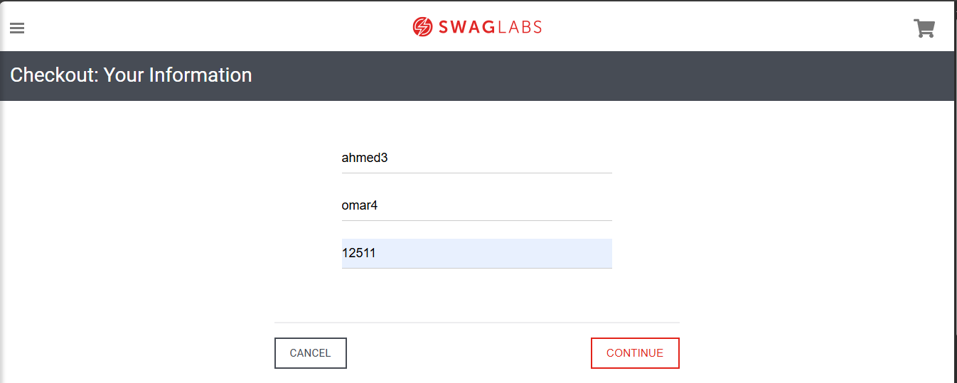
SwagLabs_cart#005 | checkout an empty cart -environment : microsoft edge - windows 10 | 1- user logged in successfully 2- click on "the cart" button on top right of products page 3- click on checkout 4- Enter valid first name "ahmed" 5- Enter valid last name "omar" 6- Enter valid postal code : 12511 7- click on "contiune" button 8- click on "finish" button | an error should be displayed "your cart is empty ! Cannot checkout an empty cart add some products first" | user directed to checkout "overview page" with required information about his order and then checkout "compelete page" | high | 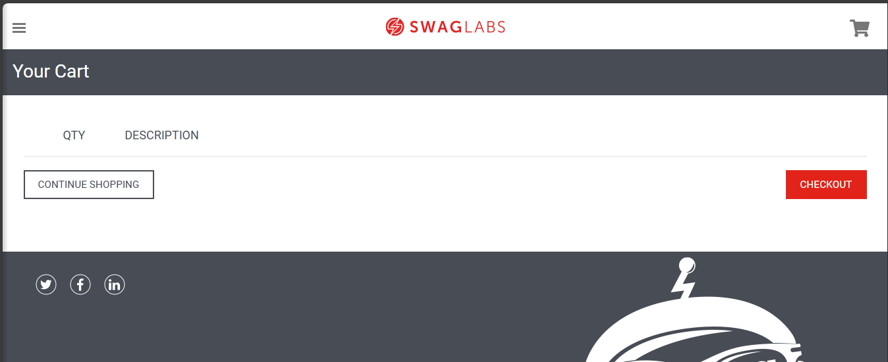 high

